Math. Functions
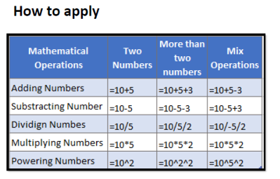
Mathematical Operations | Two Numbers | More than two numbers | Mix Operations
Adding Numbers | 12 | 1 | 13
Substracting Numbers | 8 | 2
Dividing Numbers | 50 | 5
Multiplying Numbe | 20 | 4
Powering Numbers | 100 | 5

